Test
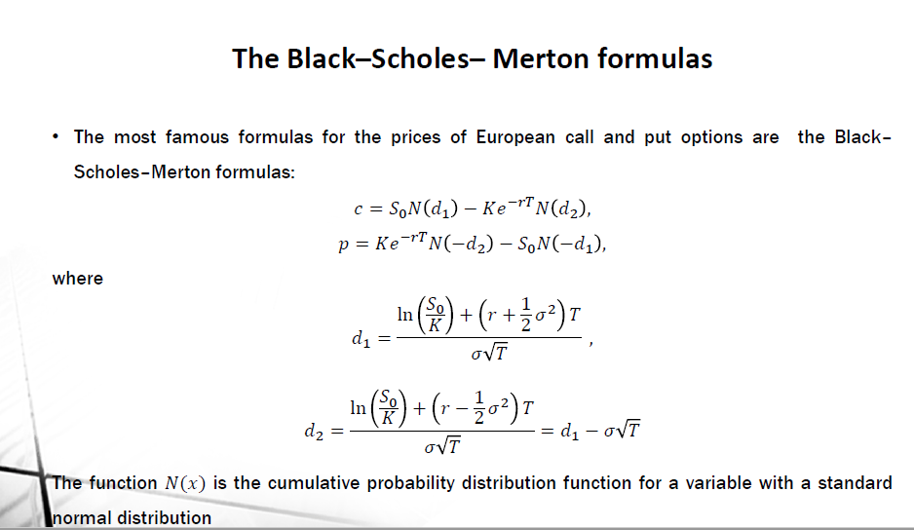
Option Valutation | (Inputs) | Option Valutation | (Outputs)
Underlying Price | 120 |  | Binomial |  | Black-Scholes
Strike Price | 120 |  | Call | Put | Call | Put
Volatility | 0.05 | * Option price | #VALUE! | #VALUE! | #VALUE! | #VALUE!
Risk-Free Rate | 0.01 | u | #VALUE! | #VALUE!
Time to Expiry (Years) | 1 | d | #VALUE! | #VALUE!
Number of Steps | 1 | probability of u | #VALUE! | #VALUE!
 |  | probability of d | #VALUE! | #VALUE!

 |  |  |  | ln(s/k) | 0
 |  |  |  | .5*(sigma^2) | 0.00125
 |  |  |  | r + above | 0.01125
 |  |  |  | above * T | 0.01125
 |  |  |  | ln(s/k) + above | 0.01125
 |  |  |  | sigma x sqrt(T) | 0.05
 |  |  | d1 | above2 / above | 0.225
 |  |  | d2 | above - above2 | 0.175
 |  |  |  | norm s inv d1 | 0.58901036287
 |  |  | minus d1 | norm s inv -d1 | 0.41098963713
 |  |  |  | norm s inv d2 | 0.56946018321
 |  |  | minus d2 | norm s inv -d2 | 0.43053981679

 |  |  |  | s * nd1 | 70.681243544
 |  |  |  | exp(-rt) | 0.99004983375
 |  |  |  | s *n_-d1 | 49.318756456
 |  |  | discount | k * above2 | 118.80598005
 |  |  |  | discount * nd2 | 67.655275165
 |  |  |  | discount * n_-d2 | 51.150704885

 |  |  | call |  | 3.0259683789
 |  |  | put |  | 1.8319484288

Chart - Trajectory
Correlated Asset Price Trajectories
 | Asset A | Asset B | Asset C
 | 100 | 90 | 80
 | 103.02143455 | 94.840373338 | 79.02311984
 | 103.51308443 | 99.829821231 | 78.087773669
 | 104.67448678 | 101.08673067 | 80.539533951
 | 101.55920318 | 114.05026419 | 78.590016895
 | 98.73035051 | 122.80143022 | 80.081871181
 | 102.9133533 | 117.88381632 | 76.59881141
 | 91.261663273 | 121.24607225 | 72.955814228
 | 94.88929019 | 135.70466256 | 73.814108177

